Sheet1
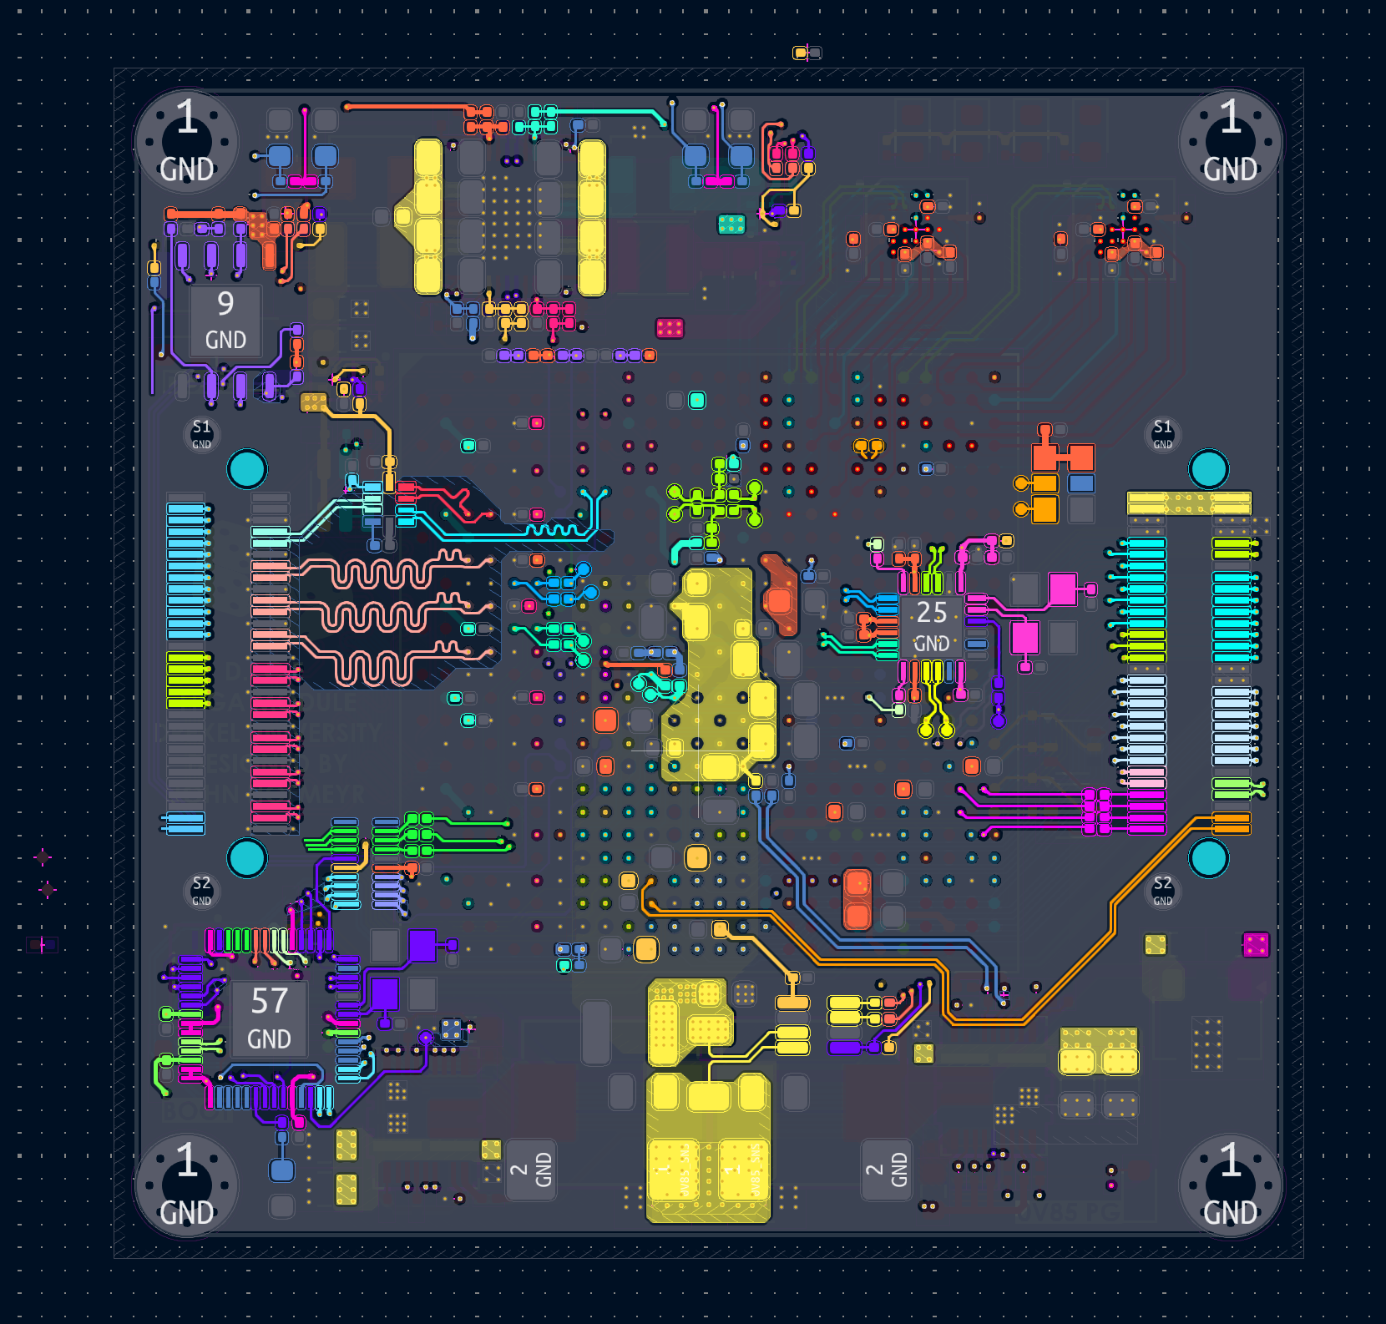
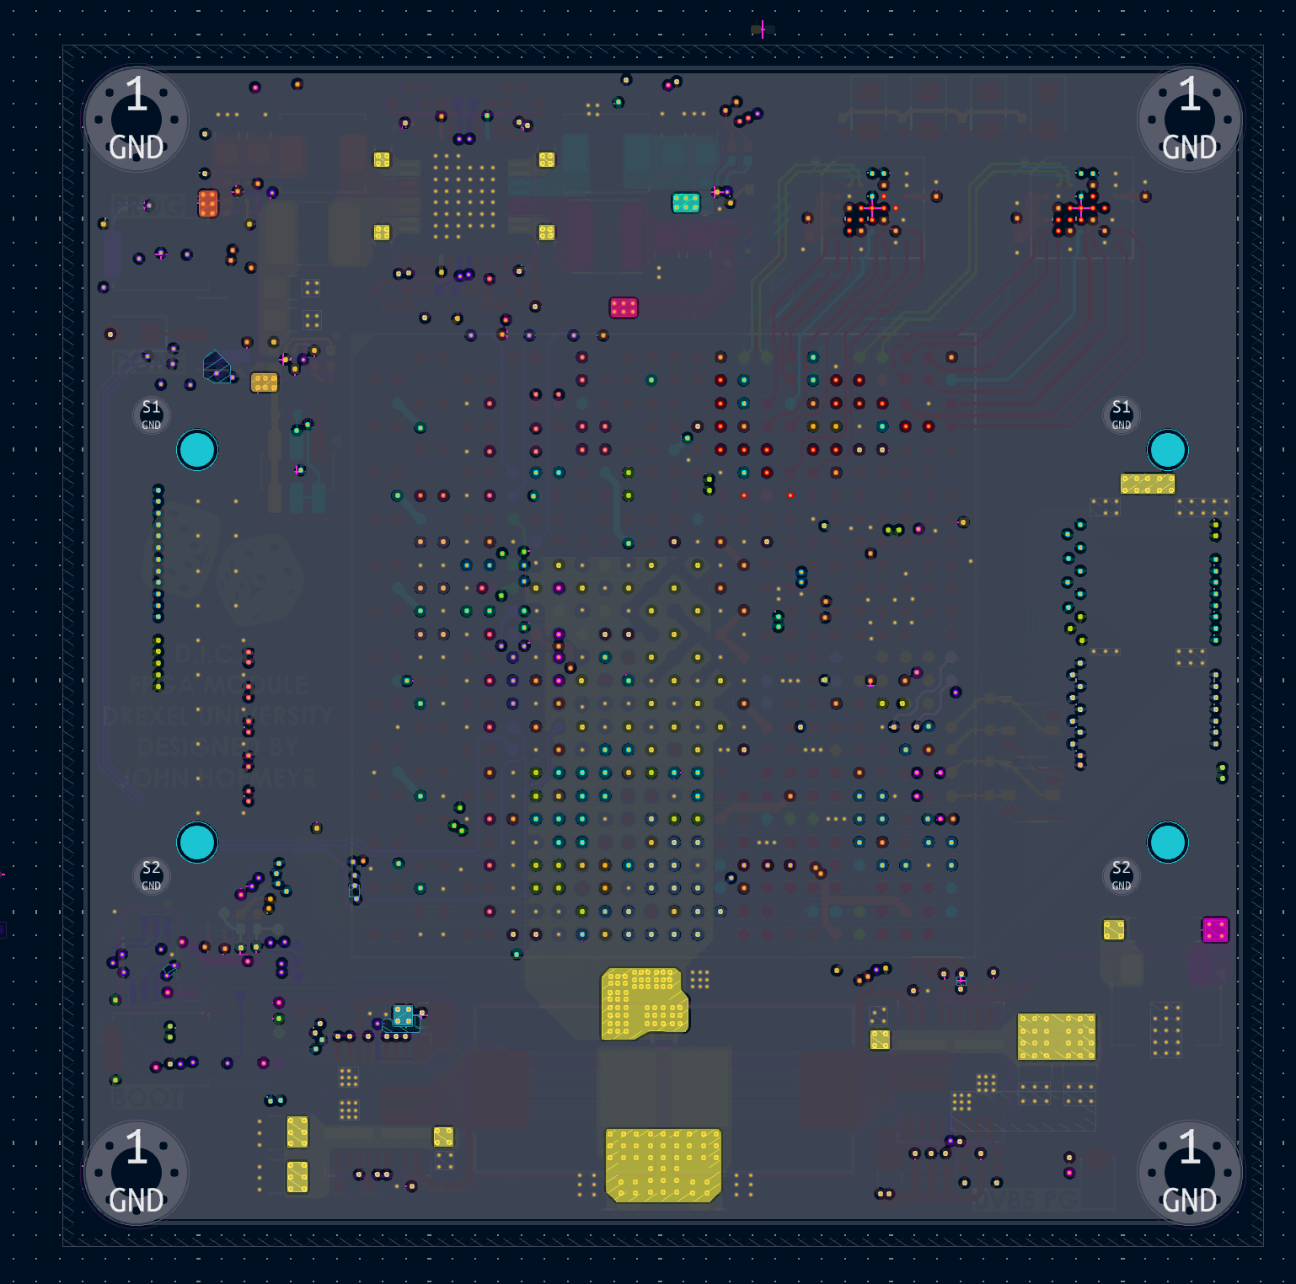

MCU + CFG MEM
40A VCCINT DCDC

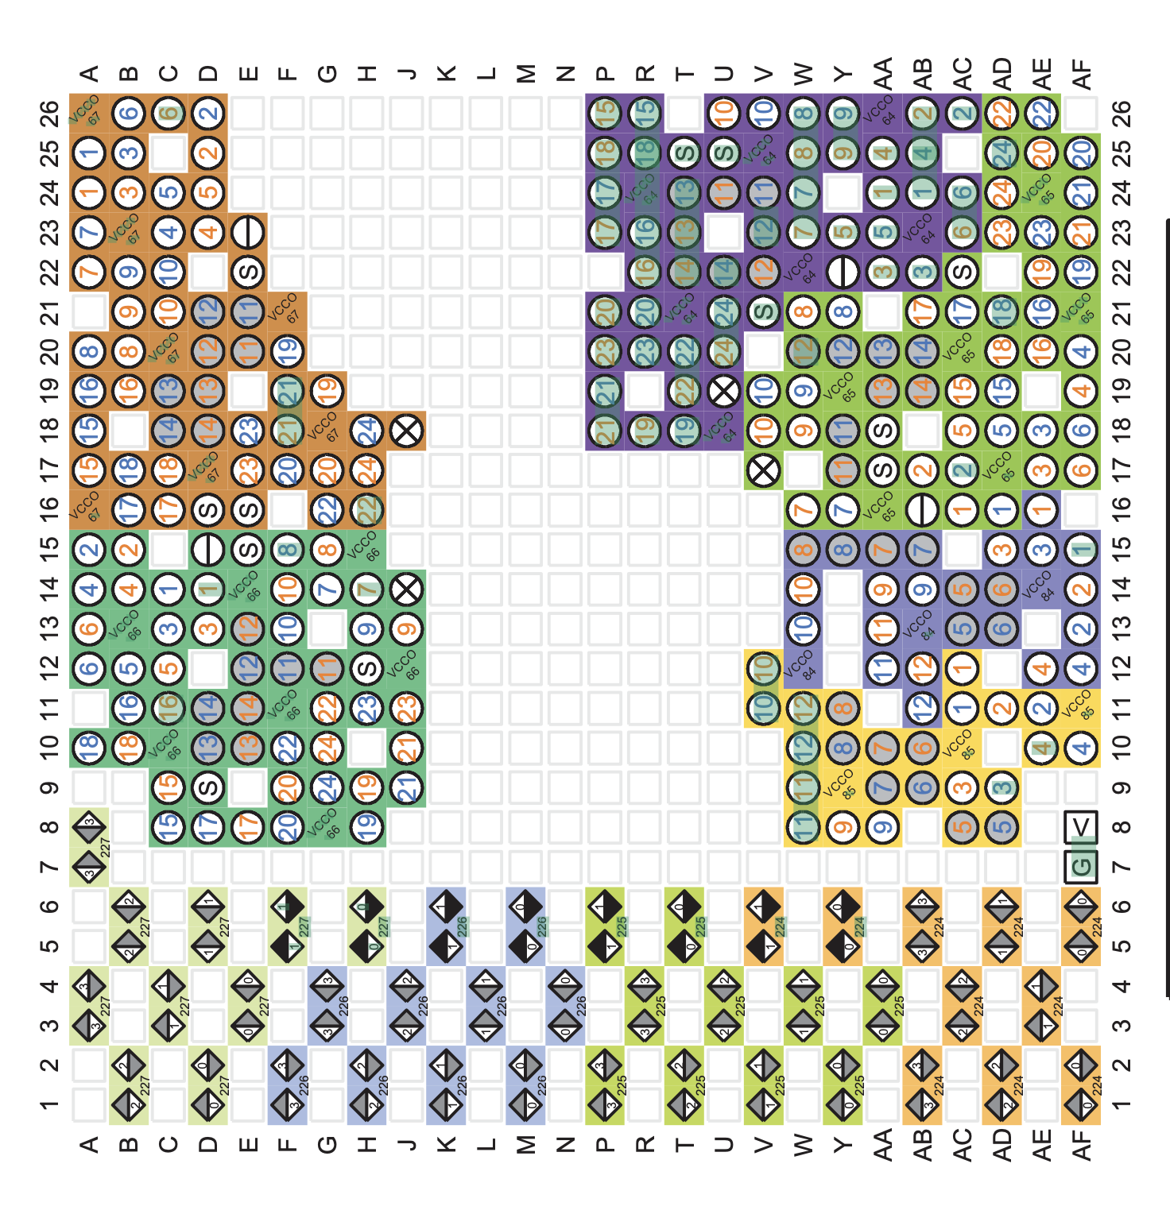

Memory 0/1

Multi-ch DCDC
Memory 2/3

